Sheet1
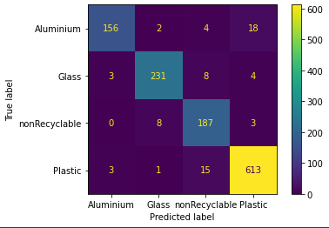
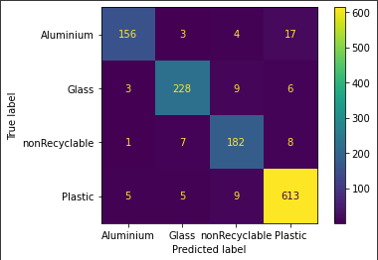
Name | Classes | Testing Data | # misclssified | Modified Hyperparameters | Accuracy | fscore | Precision | Recall
efficientnet_lite0 | Aluminum | 180 | 24 |  |  | 0.91 | 0.96 | 0.87
efficientnet_lite0 | Glass | 246 | 20 |  |  | 0.95 | 0.95 | 0.94
efficientnet_lite0 | Plastic | 198 | 11 |  |  | 0.91 | 0.87 | 0.94
efficientnet_lite0 | NonRecyclable | 632 | 19 |  |  | 0.97 | 0.96 | 0.97
Total |  | Total = 1256 | Total = 69 | Epochs = 5 | Total = 0.9451 | Total = 0.95
efficientnet_lite4 | Aluminum | 180 | 24 |  |  | 0.9 | 0.95 | 0.87
efficientnet_lite4 | Glass | 246 | 18 |  |  | 0.93 | 0.94 | 0.93
efficientnet_lite4 | Plastic | 198 | 16 |  |  | 0.91 | 0.89 | 0.92
efficientnet_lite4 | NonRecyclable | 632 | 19 |  |  | 0.96 | 0.95 | 0.97
Total |  | Total = 1256 | Total = 77 | Epochs = 5 | Total = 0.938
mobilenet_v2 | Aluminum | 180 | 14 |  |  | 0.93 | 0.94 | 0.92 | Efficientnet_lite0 | Efficientnet_lite4
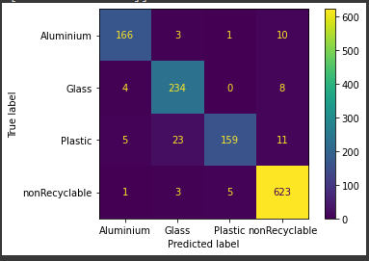
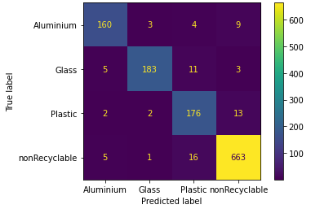
mobilenet_v2 | Glass | 246 | 12 |  |  | 0.92 | 0.89 | 0.95
mobilenet_v2 | Plastic | 198 | 39 |  |  | 0.88 | 0.96 | 0.8
mobilenet_v2 | NonRecyclable | 632 | 9 |  |  | 0.97 | 0.96 | 0.99
Total |  | Total = 1256 | Total = 74 | Epochs = 5 | Total = 0.9411 | Total = 0.94
resnet_50 | Aluminum | 176 | 16 |  |  | 0.92 | 93 | 0.91
resnet_50 | Glass | 202 | 19 |  |  | 0.94 | 0.97 | 0.91
resnet_50 | Plastic | 193 | 17 |  |  | 0.88 | 0.85 | 0.91
resnet_50 | NonRecyclabe | 685 | 22 |  |  | 0.97 | 0.96 | 0.97
Total |  | Total = 1256 | Total = 74 | Epochs = 5 | Total = 0.9411 | Total = 0.94

 |  |  |  |  |  |  |  |  | mobilenet_v2 | resnet_50

Hyperparams
